Cover
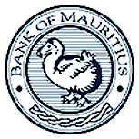

FOREIGN ASSETS AND LIABILITIES SURVEY (FALS) 2016

STATISTICS DIVISION

BANK OF MAURITIUS

